Supplier Assessment
Supplier Low-carbon and Circularity Assessment Tool (LCAT)
An SME-friendly LCP supplier assessment tool is a questionnaire by which to score suppliers on their low-carbon and circularity commitment, progress, and plans.

Low-carbon and Circularity Assessment Tool (LCAT) | Low-carbon and Circularity Assessment Tool (LCAT)

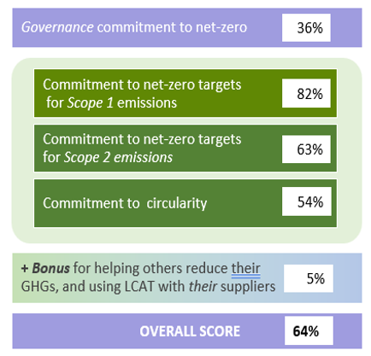
LCAT is a free, open-source, Excel-based, generic, supplier assessment tool. It is comprehensive and is based on questions asked by other questionnaires that assess a company’s commitment to low caron and circularity. (e.g., CDP, UN’s Race to Zero, SBTi, Canada’s Net-Zero Challenge). It uses SME-friendly multiple-choice questions to score the organization’s commitment to, and progress toward, science-based net-zero targets and to circularity.

Consolidating and analyzing LCAT results
There is a hidden Summary worksheet in LCAT, just after the Scores worksheet, that echoes 50+ data points in the completed survey. Excel’s Power Query capability can consolidate those Summary worksheets from all returned surveys. Here’s how: • Place all the returned LCATs in a dedicated folder. • Unhide the summary worksheet in the first LCAT file in that folder. • Create a new Excel workbook for the consolidated LCAT results. • Use Power Query to consolidate the Summary worksheets from all the returned LCAT in that new workbook. Power Query will use a separate row for each Summary worksheet’s 50+ data points. Then use Excel's Pivot Table function or Power BI to analyze the consolidated results, generate reports. and create dashboard charts. There are several good YouTube videos on Power Query, Pivot Tables, and Power BI that provide helpful guidance an all this.

Online, digitized equivalents of LCAT
LCAT is a good Excel-based, SME-friendly, supplier GHG questionnaire. However, an online, digitized equivalent of LCAT may be preferred if it were to be used with hundreds or thousands of suppliers. There are several such offerings available from CDP, Cority, EcoVadis, Persefoni, Salesforce, and Sphera. They are compared with an online version of LCAT on the Qualtrics platform. A side-by-side comparison shows how each of their supplier questionnaires meet 24 desired criteria for an online, rapidly-scalable version of LCAT. The comparison uses a bid appraisal-like format to facilitate selection of the offering that best meets a particular buyer’s needs. The comparison is available here:

Comparison of online equivalents to LCAT
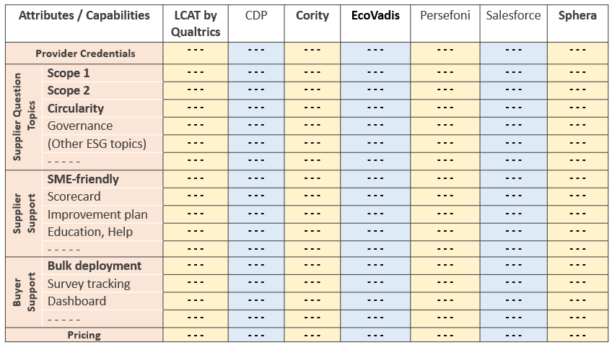

Bid Appraisal Template
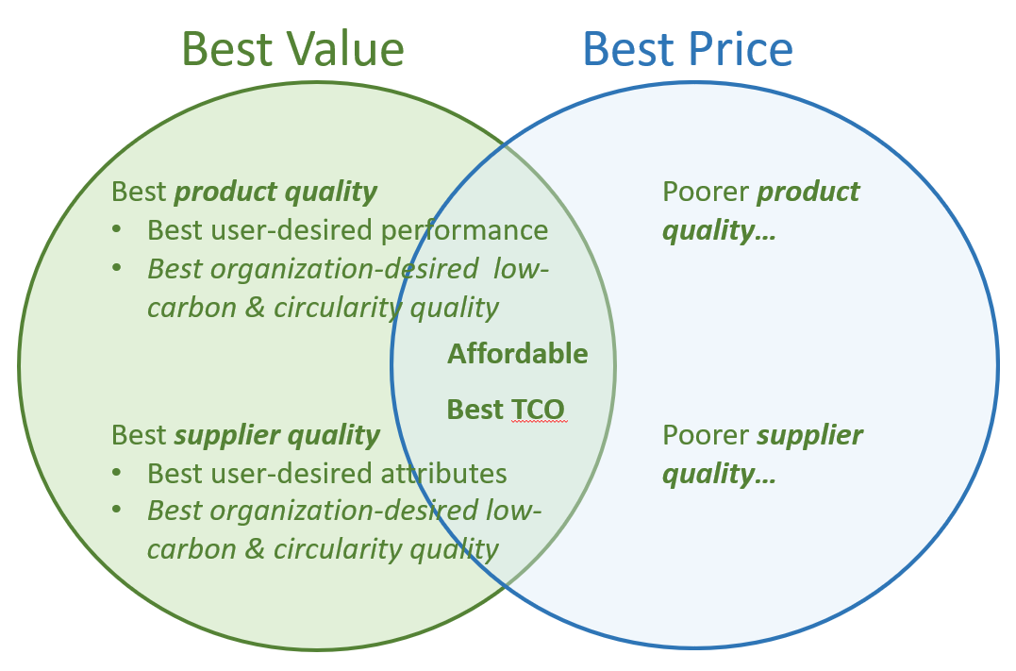
Bid Appraisal Template
This Bid Appraisal Template uses a multi-criteria analysis (MCA) structured decision-making approach to evaluate supplier bids. It helps determine whether procuring the most low-carbon and circular-designed product, from the supplier most committed to net-zero targets and to circularity, is the best business decision. That is, the bid appraisal template helps ensure that the buyer obtains the best value for money. As shown in the adjoining figure, product low-carbon and circularity features that are important to the buyer organization contribute to product quality. And if GHG reductions and circularity are important to the buyer organization, then supplier commitment to reducing its GHGs and to circularity contribute to supplier quality. The sample generic template below is used to show how to assign significant weight (i.e., 10-30%) to product and supplier low-carbon and circularity attributes. The relative weights of these criteria send a strong signal to suppliers that their commitment to GHG reductions and to circularity matters. These weighted criteria should be added to the current bid appraisal template used by the buyer.

Complete this appraisal worksheet for each bid, using it to generate a weighted score for each bid. Starting values in yellow cells are just sample place-holders to illustrate how the formulas work. Overwrite them with values that are appropriate to your situation.

% Weight (% of points) | Sample LCP Bid Appraisal Criteria |  |  |  |  |  | Score (0-100%) | Weighted Score
30% | Product quality - performance, durability |  |  |  |  |  | 90% | 270
10% | Product low-carbon and circularity quality1 |  |  |  |  |  | 60% | 60
10% | Supplier quality - reliability, capacity, experience |  |  |  |  |  | 80% | 80
10% | Supplier low-carbon and circularity quality / ambition2 |  |  |  |  |  | 70% | 70
40% | Price / Total Cost of Ownership (TCO)3 |  |  |  |  |  | 80% | 320
100% | This should equal 100% | Best value for money is the bid with the highest total weighted score |  |  |  |  |  | 800

1 See the Sample Product Specs tab
2See the Supplier Assessment tab
3 See the TCO Tool tab

Example This example illustrates how the Bid Appraisal Template helps ensure that customers choose the bid that has the best value for money.
% Weight (% of points) | LCP Bid Appraisal Criteria |  | Supplier A |  | Supplier B |  | Supplier C
 |  |  | % Score | Weighted Score | % Score | Weighted Score | % Score | Weighted Score
30% | Product quality - features, performance |  | 80% | 240 | 90% | 270 | 50% | 150
10% | Product low-carbon and circularity quality1 |  | 50% | 50 | 60% | 60 | 40% | 40
10% | Supplier quality - performance, capacity, attributes |  | 70% | 70 | 80% | 80 | 60% | 60
10% | Supplier low-carbon and circularity ambition2 |  | 60% | 60 | 70% | 70 | 50% | 50
40% | Price / Total Cost of Ownership (TCO)* |  | 60% | 240 | 80% | 320 | 100% | 400
 |  |  | $700,000 |  | $600,000 |  | $500,000
100% | This should equal 100% | Best value = Highest total |  | 660 |  | 800 |  | 700
Best Value
Best Price
* Score = 100% – (% by which that supplier’s price exceeds the lowest price)

